1. Title Page
["Instacart Insights: Grocery Basket Analysis"]

Project Name: Grocery Basket Analysis
Date:9.07.2024
Analyst Name: Sonal Ashokkumar

Contents:
Population Flow
Consistency checks
Wrangling steps
Column derivations
Visualizations
Recommendations

2. Population Flow
Title page

Population flow

Exclusion flag
Condition: max_order <
Obervations to be removed:
Final total count of order_products_all:

Orders_products_combined
Orders_products_merged
Orders_products_all

Total:32404859
Total:32404859
Total:32434489

1.) The grey boxes in the first row of the population flow represent the original data sets as they were when you downloaded them. In the Total fields you need to add the count of the rows when you imported the data set into Jupyter.
2.) The second row of boxes (coloured) represents the data sets after you manipulated them, e.g., removed missing values and duplicates. In the Total fields you need to add the count of the rows after conducting these operations. This offers a visual oveview of how the data flows throughout the data consistency checks.
3.) The third row, where also the arrows are coloured, represents the merges you performed between the datasets. In the Total fields you need to add the count of the rows in the merged datasets, so that you end up with the final dataset (in the red box). Keep in mind the final dataset should be without exclusions (based on the exclusion flag).

3. Consistency checks
 |  |  |  | Title page
Consistency checks

Dataset | Missing values | Missing values treatment | Duplicates
orders | 206209 values missing day_since_prior_order | Impute the value with 0 since these were first orders of customers, so neither should have been removed nor had any values like mean or median | none
products | 16 - in "product_name" | Ignore them because it is just a few | 5 duplicates droped
orders_products_prior | none | none | none
customers | none | none | none

4. Wrangling steps
 |  |  |  | Title page
Wrangling steps

Columns dropped | Columns renamed | Columns' type changed | Comment/Reason
eval_set |  |  | Unnecessary to analysis (Ex 4.4)
 |  | order_id-str | In Ex 4.4/Because these are 'ids' and are not needed to be computed or used in analysis
 |  | user_id-str | In Ex 4.4/Because these are 'ids' and are not needed to be computed or used in analysis
 | order_dow':'orders_day_of_week' |  | Because "orders_day_of_week" was considered easier to interpret
 | 'Surnam':'surname' |  | For consistency in format (Ex 4.9)
 | 'First Name':'first_name'
 | 'Gender':'gender'
 | 'STATE':'state'
 | 'Age':'age'
 | 'n_dependants':'dependants'
 |  |  | dropped in Exc 4.9 to save memory
first_name
surname'
dependants
date_joined

5. Column derivations
 |  |  |  | Title page

Column derivations and aggregations

In this tab you should add tables below that the frequences of flags/label variables that you produced after deriving them. NB: don't do this for continuous variables, only for flags.
Dataset | New column | Column/s it was derived from | Conditions
ords_prods_meB7:D17rge.pkl | price_range_loc' | prices | If price <=5, then "Low-range product" If else price > 5 and <=15, then "Mid-range product" If else price >15, then "High-range product"
 | busiest_day' | order_dow | If day == 0, then "Busiest day" If day == 4, then "Least busy" If else, then "Regularly busy"
 | busiest_days' | order_dow | If day == 0 or == 1 then "Busiest days" If day == 4 or == 3 then "slowest days" If else, then "Regular busy"
 | busiest_period_of_day | order_hour_of_day | Most orders (21,114,733): if value in [10, 11, 14, 15, 13, 12, 16, 9] Average orders (9,996,048): elif value in [17, 8, 18, 19, 20, 7, 21, 22] Fewest orders (1,288,951): else (value in [23, 6, 0, 1, 5, 2, 4, 3])
 | max_order | user_id,order_number | Maximum numbers of orders per user_id
 | loyalty_flag | max_order | If max_order > 40, then "Loyal customer" If max order <= 40 and >10, then "Regular customer" If max order <= 10 then "New customer"
 | Avg_spend | user_id, prices | Average prices of products ordered by user.
 | Spender_flag | Avg_spend | If mean price < 10, then low spender If mean price >= 10, then high spender.
 | Customer_frequency | user_id,days_since_prior_order | Median number of days since prior orders
 | Frequency_flag | Customer_frequency | If frequency_customer > 20, then "Non-frequent customer" If frequency_customer <= 20 and > 10, then "Regular customer" If frequency_customer <= 10 then "Frequent customer"
cust_ords_prods_merge | region | state | Northeast (5,721,892): "State" isin ['Maine', 'New Hampshire', 'Vermont', 'Massachusetts', 'Rhode Island', 'Connecticut', 'New York', 'Pennsylvania', 'New Jersey'] Midwest : "State" isin ['Wisconsin', 'Michigan', 'Illinois', 'Indiana', 'Ohio', 'North Dakota', 'South Dakota', 'Nebraska', 'Kansas', 'Minnesota', 'Iowa', 'Missouri'] West : "State" isin ['Idaho', 'Montana', 'Wyoming', 'Nevada', 'Utah', 'Colorado', 'Arizona', 'New Mexico', 'Alaska', 'Washington', 'Oregon', 'California', 'Hawaii'] South: "State" isin ['Delaware', 'Maryland', 'District of Columbia', 'Virginia', 'West Virginia', 'North Carolina', 'South Carolina', 'Georgia', 'Florida', 'Kentucky', 'Tennessee', 'Mississippi', 'Alabama', 'Oklahoma', 'Texas', 'Arkansas', 'Louisiana']
 | Activity_flag | max_order | ['max_order']>5 high_activity_customers' ['max_order']<5'low_activity_customers'
 | age_group | age | single Adult (>=18 & <=30) Young Parent(> 30 & <= 45) Mid Aged Adult'(> 45 & < 60)
 | income_group | income | Mid Income (>50000&<150000) High Income (>= 150000) Low Income (<= 50000)
 | day_group | orders_day_of_week | Weekend=0,1 (Sunday, Saturday resp.) Weekday=2 to 6 (Monday to Friday)
 | Hour_group | order_hour_of_day | Afternoon Shopper (>12 to <17) Morning Shopper (>= 6 to < 12) Evening Shopper (>= 17 to <=21) Night Shopper (>= 21 and > 6)
 | Household size | dependants | small(0,1) Big(2,3)

6. Visualizations
Title page

Visualisations
In this tab you should include all the visualtions from Exercises 4.9 and 4.10, alongside the questions from the project brief that they answer. Include any commentary on the relationship between different variables.

The sales team needs to know what the busiest days of the week and hours of the day are (i.e., the days and times with the most orders) in order to schedule ads at times when there are fewer orders.


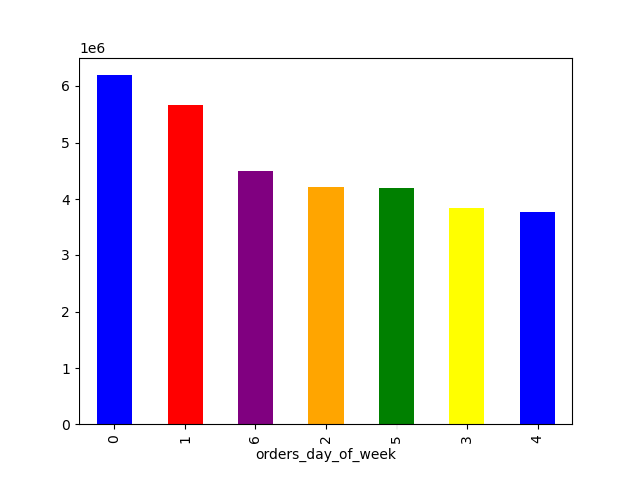

Hour of the day
Order day of week

The histogram of the "order_hour_of_day" column shows that most orders are placed between 10 AM and 4 PM, peaking around 12 PM to 1 PM.
Order frequency is significantly lower during early morning and late evening hours.
This suggests customers prefer to shop during midday, likely during lunch breaks or early afternoon.
The bar chart shows order volumes by day of week, with 0 being Saturday. Saturday has the highest number of orders (about 6.2 million), followed by Sunday (5.7 million).
Order volumes generally decrease through the week, with Friday having the lowest (around 3.8 million).
This pattern shows peak activity on weekends, especially Saturday, likely due to more free time for shopping.

What time of the day people spend the most money?

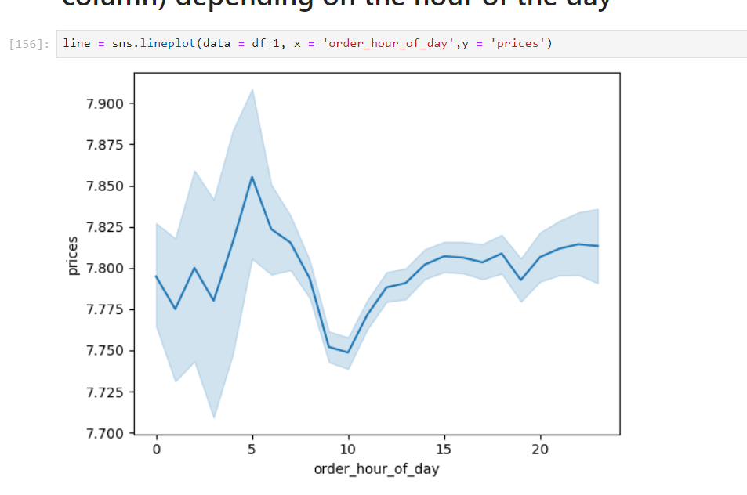

The line chart indicates significant spikes in prices during the early morning hours between 5AM -9AM.
This suggests higher variability in expenditures during early hours and consistent pricing throughout the day and evening.

Are there certain types of products that are more popular than others? The marketing and sales teams want to know which departments have the highest frequency of product orders.

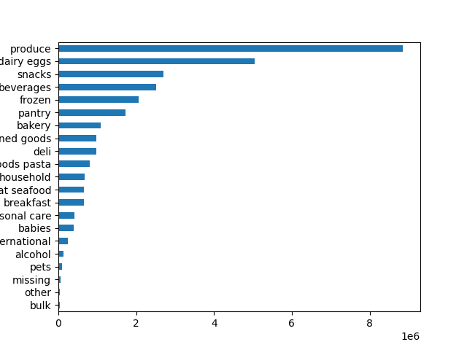

The bar chart displays sales volumes for various grocery store departments.
The highest sales are in produce (nearly 9 million) and dairy eggs (just over 6 million). Snacks, beverages, and frozen foods also have significant sales, ranging from 2.5 to 3.5 million.
Departments like bulk, pets, and alcohol have the lowest sales, under 0.3 million each.

What’s the distribution among users in regards to their brand loyalty (i.e., how often do they return to Instacart)?

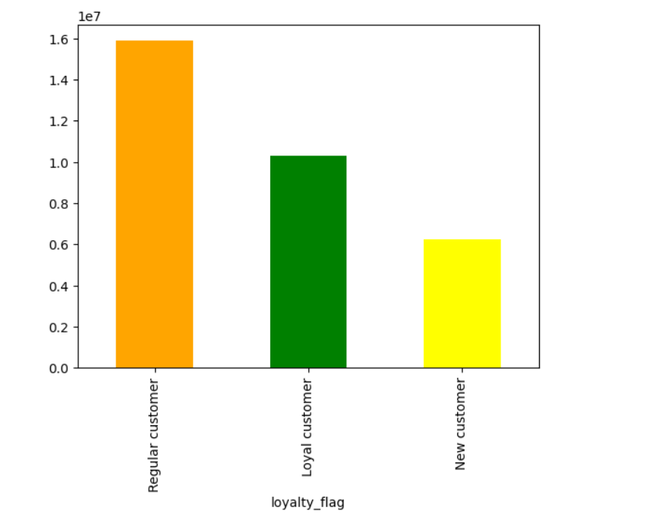

The bar chart shows that regular customers are the largest group, followed by loyal customers, and then new customers. Specifically, there are about 16 million regular customers, 10 million loyal customers, and 6 million new customers. This indicates a strong customer retention rate with a solid base of repeat customers.

Are there differences in ordering habits based on a customer’s loyalty status?

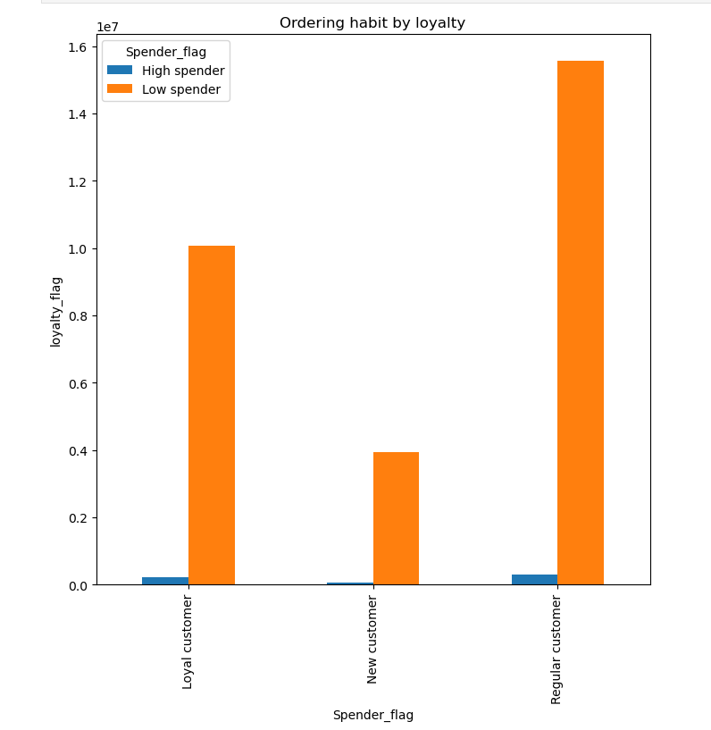

This visualization highlights that the majority of customers across all loyalty levels are low spenders, with regular customers being the most numerous.
It suggests potential opportunities for converting low spenders to high spenders, especially among loyal and regular customers.

Are there differences in ordering habits based on a customer’s region?

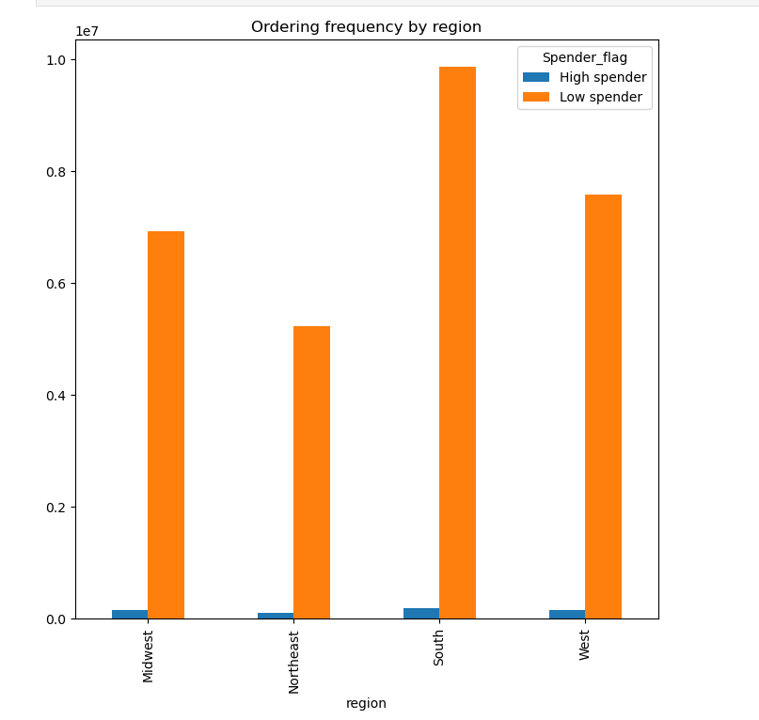

This visualization helps in understanding the distribution and frequency of orders by different spender categories in various regions, highlighting that low spenders contribute significantly more to the ordering frequency.

What different classifications does the demographic information suggest?
Age? Income? Certain types of goods? Family status?

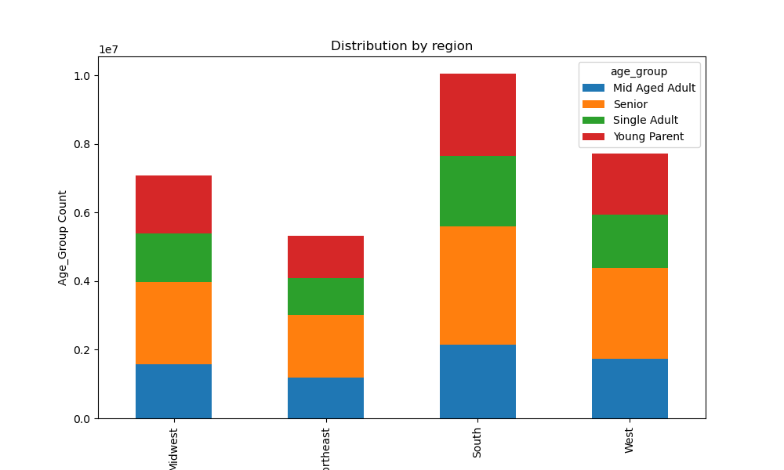

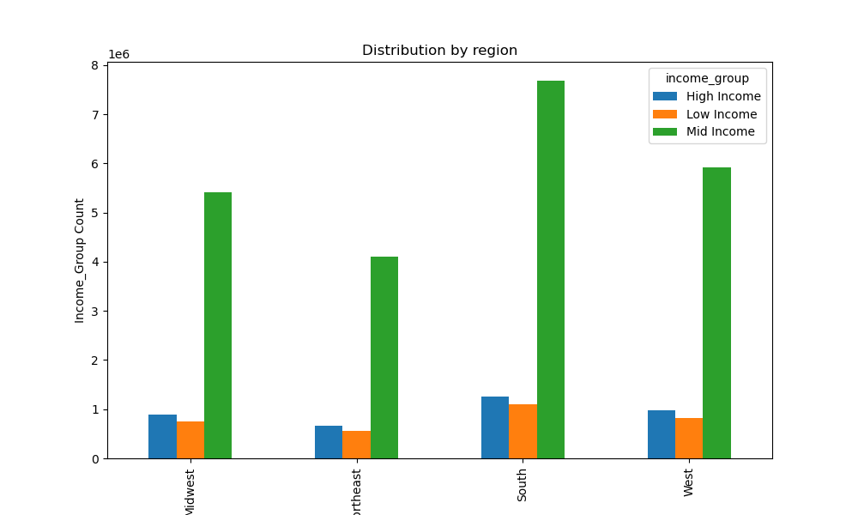

This visualization effectively illustrates regional economic disparities and the predominance of middle-income households across the United States
The chart provides a clear visual comparison of demographic patterns among U.S. regions, highlighting regional variations in age group distributions.

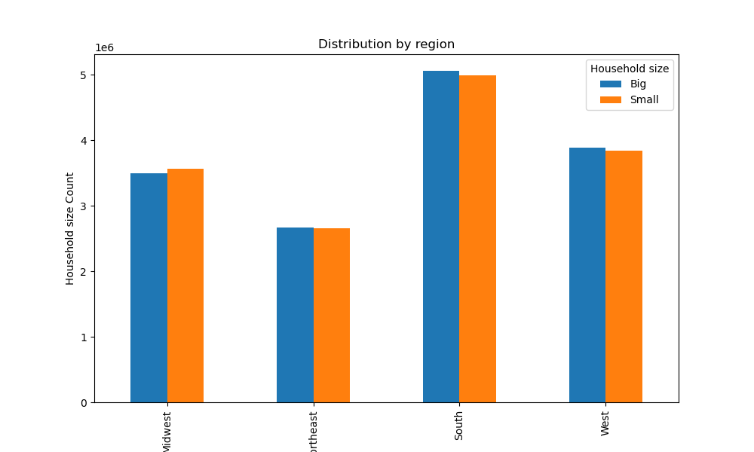

This visualization effectively shows regional patterns in household size distribution, with the South standing out as having the largest population across both categories.

Is there a connection between age and family status in terms of ordering habits?

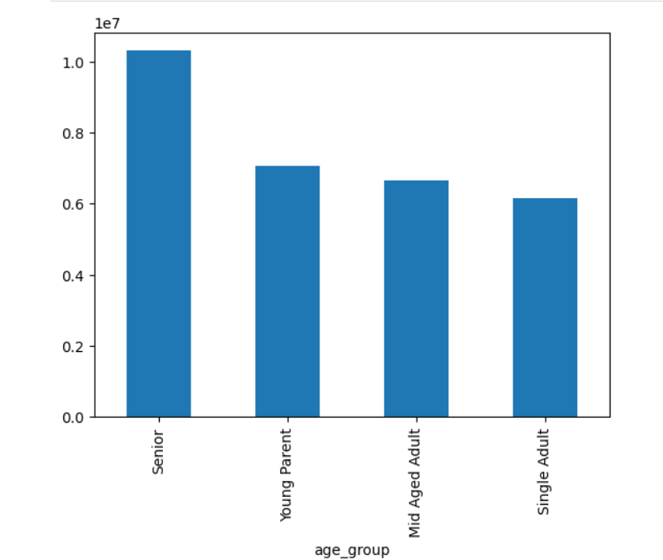

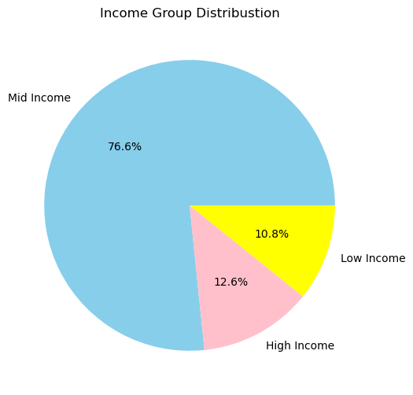

The chart shows age group distribution, with Seniors being the largest group at nearly 10 million, followed by Young Parents, Mid Aged Adults, and Single Adults in descending order.
The pie chart shows income distribution:
Mid Income dominates at 76.7% High Income follows at 12.6% Low Income is smallest at 10.7%
There's a large gap between Mid Income and the other categories, while High and Low Income groups are similar in size.

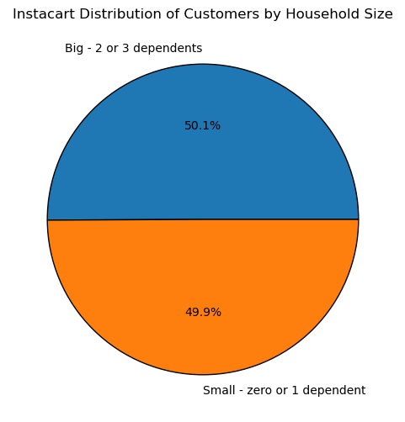

The distribution is almost evenly split, with a negligible 0.2% difference favoring larger households.
This suggests that Instacart's customer base is balanced between smaller and larger households.

What differences can you find in ordering habits of different customer profiles?

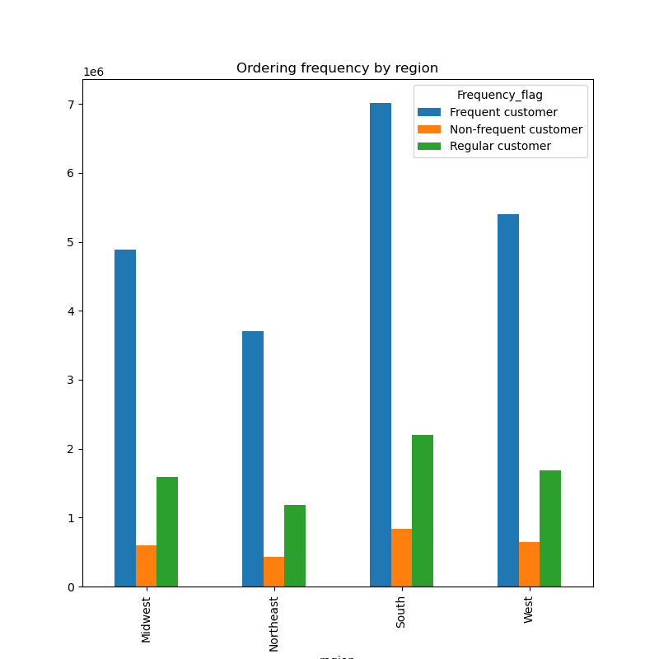

This visualization highlights regional differences in customer ordering habits, with the South standing out as the most active region for all customer types.

7. Recommendations
 |  |  | Title page

Recommendations

In this tab you should include any recommendations you would made to Instcart in terms of their marketing strategy based on the questions posed in the brief. Every key question has been covered in the Tasks of the Exercises - here you need to add an item - a visualisation or table/crosstable that is showing the answer in the data, acompanied by a comment from you. Please, list the questions below and add the answer underneath.

Questions | Answers | Recommendations

What days of the week and hours of the day are busiest? | The busiest days of the week are Saturday and Sunday between the hours of 10 am to 4 pm, with the busiest hour being 10am. The least busy day is Wednesday and the least busy hours are before 6am and after 10pm. | We can boost sales by scheduling ads on Wednesday and Tuesday. Running ads during sleeping hours is likely ineffective; instead, schedule them just before 8:00 AM or after 6:00 PM, when people have more time to see them.

What time of the day people spend the most money? | The line chart indicates significant spikes in prices during the early morning hours between 5AM -9AM. This suggests higher variability in expenditures during early hours and consistent pricing throughout the day and evening. | Therefore, Instacart should utilize those times to advertise specific products.

Which department have the highest frequency of product orders? | Top 5: Produce, diary & eggs, snacks, beverages and frozen products (in decrescent order) | Increase advertisement on the lowest ranking (higher potential to increase sales): Bulk, Pets, International, Baby products and Personal care

What’s the distribution among users in regards to their brand loyalty (i.e., how often do they return to Instacart)? | The bar chart shows that regular customers are the largest group, followed by loyal customers, and then new customers. Specifically, there are about 16 million regular customers, 10 million loyal customers, and 6 million new customers. This indicates a strong customer retention rate with a solid base of repeat customers. | Huge potential to expand the customers base since the new customers only make up 15.5% of total customers.

Are there differences in ordering habits based on a customer’s loyalty status? | majority of customers across all loyalty levels are low spenders, with regular customers being the most numerous. It suggests potential opportunities for converting low spenders to high spenders, especially among loyal and regular customers. | It would be beneficial to profile high spenders separately to identify the products they frequently purchase. By targeting ads for these products and enhancing their quality, as well as offering express delivery, we can further increase high spending.

Are there differences in ordering habits based on a customer’s region? | visualization helps in understanding the distribution and frequency of orders by different spender categories in various regions, highlighting that low spenders contribute significantly more to the ordering frequency. | To capitalize on this, we should consider profiling high spenders to identify their preferred products.

Is there a connection between age and family status in terms of ordering habits? | With age group distribution, Seniors being the largest group at nearly 10 million, followed by Young Parents, Mid Aged Adults, and Single Adults in descending order. | Focus on marketing products for Seniors, the largest age group, and prioritize affordability for the dominant mid-income segment. Additionally, offer premium options to attract high-income consumers.
 | Income wise, Mid Income dominates at 76.7% High Income follows at 12.6% Low Income is smallest at 10.7%

What different classifications does the demographic information suggest? Age? Income? Certain types of goods? Family status? | The charts reveal regional variations in U.S. demographics, showcasing differences in age group distributions and economic disparities. Middle-income households predominate, with notable regional economic differences. The South stands out for having the largest household sizes across categories. | Consider tailoring marketing strategies to address regional demographic and economic disparities, focusing on middle-income households. Additionally, develop products and services that cater to the larger household sizes prevalent in the South.

What differences can you find in ordering habits of different customer profiles? | visualization highlights regional differences in customer ordering habits, with the South standing out as the most active region for all customer types. | To boost customer activity in other regions, consider analyzing and replicating successful strategies from the South. Tailor marketing campaigns, enhance product offerings, and improve delivery services to meet the specific needs and preferences of customers in those regions.

